Sheet1
 |  | 1 | 2 | 3 | 4 | 5 | 6 | 7

 |  |  | 1 | 1 | 1 | 1 |  |  |  | 2 | 2 | 2
 |  |  | 1 | 1 | 1 | 1 |  |  |  | 2 | 2 | 2
 |  | 1 | 1 | 1 | 1 | 1 | 1 | 1 | 1 | 1 | 2 | 2
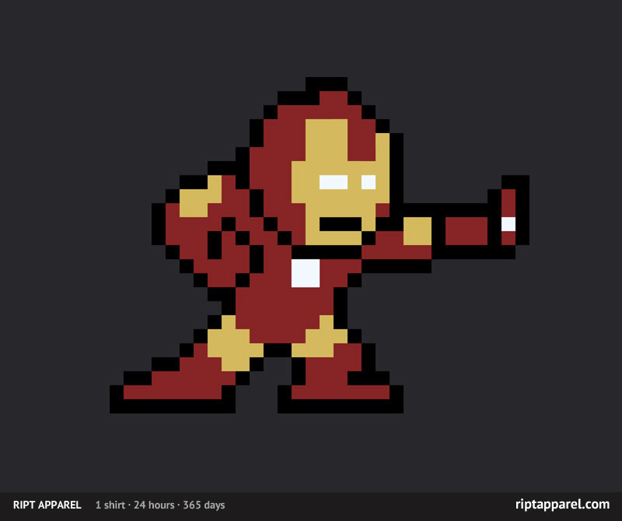
 |  | 1 | 1 | 1 | 1 | 1 | 1 | 1 | 1 | 1 | 2 | 2
 |  | 6 | 6 | 6 | 2 | 2 | 4 | 2 |  | 1 | 1 | 1
 | 6 | 6 | 6 | 2 | 2 | 2 | 4 | 2 |  | 1 | 1 | 1 |  |  |  |  |  | 4 | 4 | 4 | 4 | 4 |  |  |  |  | 1 | 2 | 3 | 4 | 5 | 6 | 7 | 8 | 9 | 1 | 2 | 3 | 4 | 5 | 6 | 1 | 2 | 3 | 4 | 1 | 4 | 4 | 4 | 4 | 2 | 3
 | 6 | 2 | 6 | 2 | 2 | 2 | 4 | 2 | 2 | 2 | 1 | 1 |  |  |  |  | 4 | 4 | 4 | 4 | 4 | 4 | 4
 | 6 | 2 | 6 | 2 | 2 | 2 | 4 | 2 | 2 | 2 | 2 | 1 |  |  |  | 4 | 4 | 4 | 4 | 4 | 4 | 4 | 4 | 4 |  |  |  |  |  |  |  |  |  |  |  |  |  |  |  |  |  |  | 4 | 4 | 4 | 4
 | 6 | 2 | 6 | 6 | 2 | 2 | 2 | 4 | 2 | 2 | 2 | 2 |  |  | 4 | 4 | 4 | 7 |  |  |  | 7 | 4 | 4 | 4 |  |  |  |  |  |  |  |  |  |  |  |  |  |  | 4 | 4 | 4 | 4 | 1 | 1 | 1 | 4
 | 6 | 2 | 6 | 6 | 2 | 2 | 2 | 4 | 2 | 2 | 2 | 2 |  |  | 4 | 7 | 7 |  |  |  |  |  | 7 | 7 | 4 |  |  |  |  |  |  |  |  |  |  |  |  |  | 4 | 1 | 1 | 1 | 1 | 1 | 1 | 1 | 1 | 4
 | 6 | 2 | 2 | 2 | 2 | 2 | 4 | 4 | 4 | 4 | 4 | 1 |  |  | 4 |  |  |  |  |  |  |  |  |  | 4 |  |  |  |  |  |  |  |  |  |  |  |  | 4 | 1 | 1 | 1 | 1 | 2 | 2 | 2 | 2 | 1 | 1 | 4
 | 6 | 6 | 2 | 2 | 2 | 2 | 4 | 4 | 4 | 4 | 4 | 1 |  |  | 4 | 7 |  |  |  |  |  |  |  | 7 | 4 |  |  |  |  |  |  |  |  |  |  |  |  | 4 | 1 | 1 | 1 | 1 | 2 | 2 | 2 | 2 | 1 | 1 | 2 | 4
 |  |  | 2 | 2 | 2 | 2 | 2 | 2 | 2 | 1 | 1 |  |  | 4 | 4 | 7 | 7 |  |  |  |  |  | 7 | 7 | 4 | 4 |  |  |  |  |  |  |  |  |  |  | 4 | 1 | 1 | 1 | 1 | 1 | 2 | 2 | 2 | 2 | 1 | 1 | 2 | 4
 |  |  | 2 | 2 | 2 | 2 | 2 | 2 | 2 | 1 | 1 |  |  | 4 | 4 | 7 | 7 |  |  |  |  |  | 7 | 7 | 4 | 4 |  |  |  |  |  |  |  |  |  |  | 4 | 1 | 1 | 1 | 1 | 2 | 2 | 2 | 2 | 2 | 2 | 2 | 2 | 4
 | 1 | 1 | 1 | 3 | 1 | 1 | 1 | 3 | 1 | 1 |  |  | 6 | 4 | 7 | 7 |  |  | 7 | 7 | 7 |  |  | 7 | 7 | 4 |  |  |  |  |  |  |  |  |  |  | 4 | 1 | 1 | 1 | 1 | 2 | 2 |  |  |  | 2 |  | 2 | 4
 | 1 | 1 | 1 | 3 | 1 | 1 | 1 | 3 | 1 |  |  |  | 6 | 4 | 7 |  |  |  | 7 | 7 | 7 |  |  |  | 7 | 4 |  |  |  |  |  |  |  |  |  |  |  | 4 | 1 | 1 | 1 | 1 | 2 | 2 | 2 | 2 | 2 | 2 | 1 | 4
 | 1 | 1 | 1 | 1 | 3 | 1 | 1 | 1 | 3 |  |  | 6 | 6 | 4 | 7 |  |  | 7 | 7 | 7 | 7 | 7 |  |  | 7 | 4 |  |  |  |  |  |  |  |  |  |  |  | 4 | 4 | 1 | 1 | 1 | 2 | 4 | 4 | 4 | 4 | 2 | 4 | 4
 | 1 | 1 | 1 | 1 | 3 | 1 | 1 | 1 | 3 |  |  | 6 | 6 | 4 | 7 |  |  | 7 | 7 | 7 | 7 | 7 |  |  | 7 | 4 |  |  |  |  |  |  |  |  |  |  |  |  | 4 | 1 | 1 | 1 | 2 | 2 | 2 | 2 | 2 | 4 | 1 | 1
 |  | 1 | 1 | 1 | 3 | 3 | 3 | 3 | 5 | 3 | 3 | 6 | 6 | 4 |  |  |  | 7 | 7 | 7 | 7 | 7 |  |  |  | 4 |  |  |  |  |  |  |  |  |  |  |  |  |  | 4 | 4 | 4 | 4 | 4 | 4 | 4 | 4 | 1 | 1 | 1 | 1
 |  | 1 | 1 | 1 | 3 | 3 | 3 | 3 | 5 | 3 | 3 | 6 | 6 | 4 |  |  |  |  | 7 | 7 | 7 |  |  |  |  | 4
 |  |  | 3 | 3 | 3 | 5 | 3 | 3 | 5 | 3 | 3 | 6 | 6 | 4 |  |  | 4 | 4 | 4 | 4 | 4 | 4 | 4 |  |  | 4
 |  |  | 3 | 3 | 3 | 5 | 3 | 3 | 3 | 3 | 3 | 6 | 6 | 4 | 4 | 4 | 4 | 4 | 4 | 4 | 4 | 4 | 4 | 4 | 4 | 4
 | 6 | 6 | 3 | 3 | 3 | 5 | 3 | 3 | 3 | 3 | 3 | 6 | 6 | 4 | 4 | 4 | 4 |  | 4 |  | 4 |  | 4 | 4 | 4 | 4
 | 6 | 6 | 3 | 3 | 3 | 3 | 3 | 3 | 3 | 3 | 3 | 6 | 6 |  | 4 | 4 |  |  | 4 |  | 4 |  |  | 4 | 4
6 | 6 | 6 | 3 | 3 | 3 | 3 | 3 | 3 | 3 | 3 | 3 | 6 | 6 |  | 4 | 4 |  |  | 4 |  | 4 |  |  | 4 | 4
6 | 6 | 6 | 3 | 3 | 3 | 3 | 3 |  |  |  |  |  |  |  | 4 |  |  |  |  |  |  |  |  |  | 4
6 | 6 |  |  |  |  |  |  |  |  |  |  |  |  |  | 4 |  |  |  |  |  |  |  |  |  | 4
6 | 6 |  |  |  |  |  |  |  |  |  |  |  |  |  | 4 | 4 |  |  |  |  |  |  |  | 4 | 4
 |  |  |  |  |  |  |  |  |  |  |  |  |  |  |  | 4 |  |  |  |  |  |  |  | 4
 |  |  |  |  |  |  |  |  |  |  |  |  |  |  |  |  | 4 |  |  |  |  |  | 4
 |  |  |  |  |  |  |  |  |  |  |  |  |  |  |  |  |  | 4 | 4 | 4 | 4 | 4

